READ ME
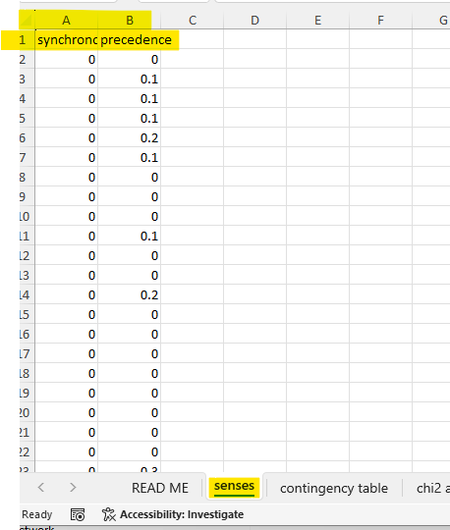
copy paste a pair of senses in the 'senses' tab in the exact location as the example shown in the sense sheet
then you can click on the different sheets to see verify the calculations for that specific pair

chi2 and p value
Observed |  | precedence | s2
 |  | ¬V | V | total rows |  | * Note: total rows and total cols are requried to calculate the expected frequences
synchronous | ¬V | 5854 | 589 | 6443
s1 | V | 49 | 13 | 62
 | total cols | 5903 | 602 | 6505 | grand total

Expected
calucalting the exptected frequencey table
 | if the H0 (null hypothesis) of indep. Was correct

 |  | precedence | s2
 |  | ¬V | V |  | we do need to form this table to calculate pvalue
synchronous | ¬V | 5847 | 596 |  | each sell is the (corresponding total row * corresponding total col)/grand total
s1 | V | 56 | 6

chi2 = | sum of ( | (Observed-Expected)^2 |  | )
 |  | Expected

chi2 = | sum of ( | 0.009 | 0.088 | )
 |  | 0.937 | 9.192

chi2 = | 10.227 |  | Excel does not support direct calculation of chi2
 |  |  | we don’t need it as we can calculate the p value from the two tables

p-value = | 0.14% | if < 5% then we reject the null hypothesis of indep.

OR = | 2.6368455701

Also, using online calculator
https://www.socscistatistics.com/tests/chisquare2/default2.aspx

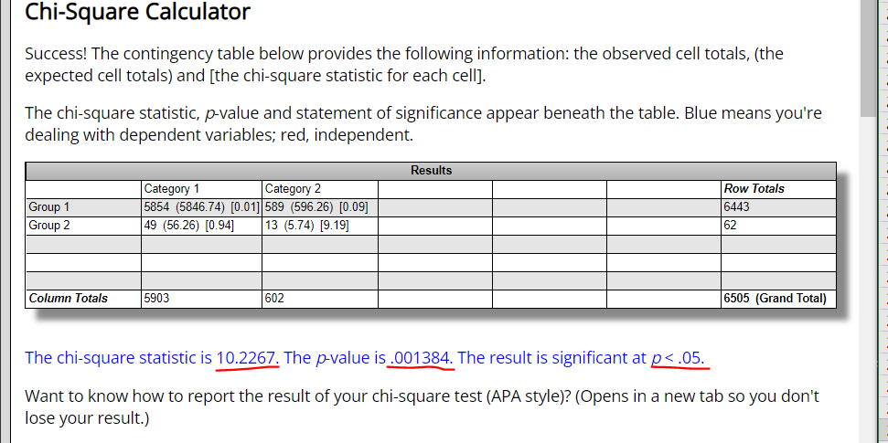

 | code values for the synchronous precedence

Yule Q
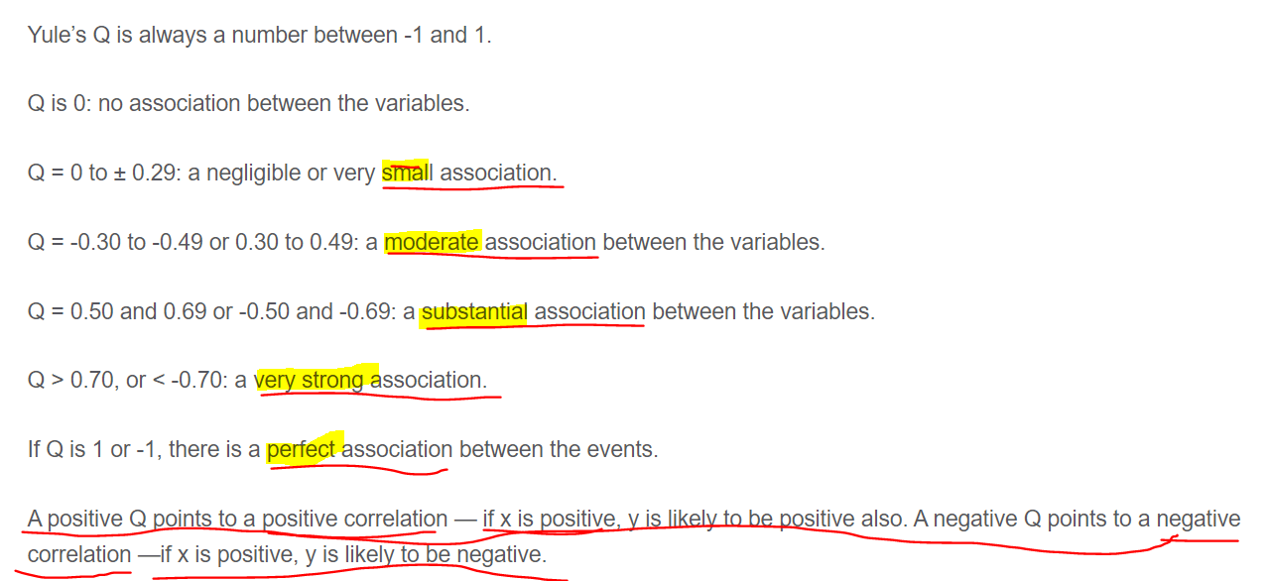
 |  | s2
 |  | precedence
 |  | ¬V | V
synchronous | ¬V | 5854 | 589
 | V | 49 | 13
s1

 |  |  |  | a | b
 |  |  |  | c | d
OR= | 2.6368455701 |  | OR = a*d / b*c
YuleQ= | 0.45007288283 |  | YuleQ = (OR-1)/(OR+1)

